2026
Field | Content | Supporting Notes/Links | Column 4 | Column 5 | Column 6
Exercise date | 5/27/26
Exercise owner | Chase Schwalbach
Participants | Chase Schwalbach, Zoe Henry
Scenario | Production database unavailable/corrupted; restore required
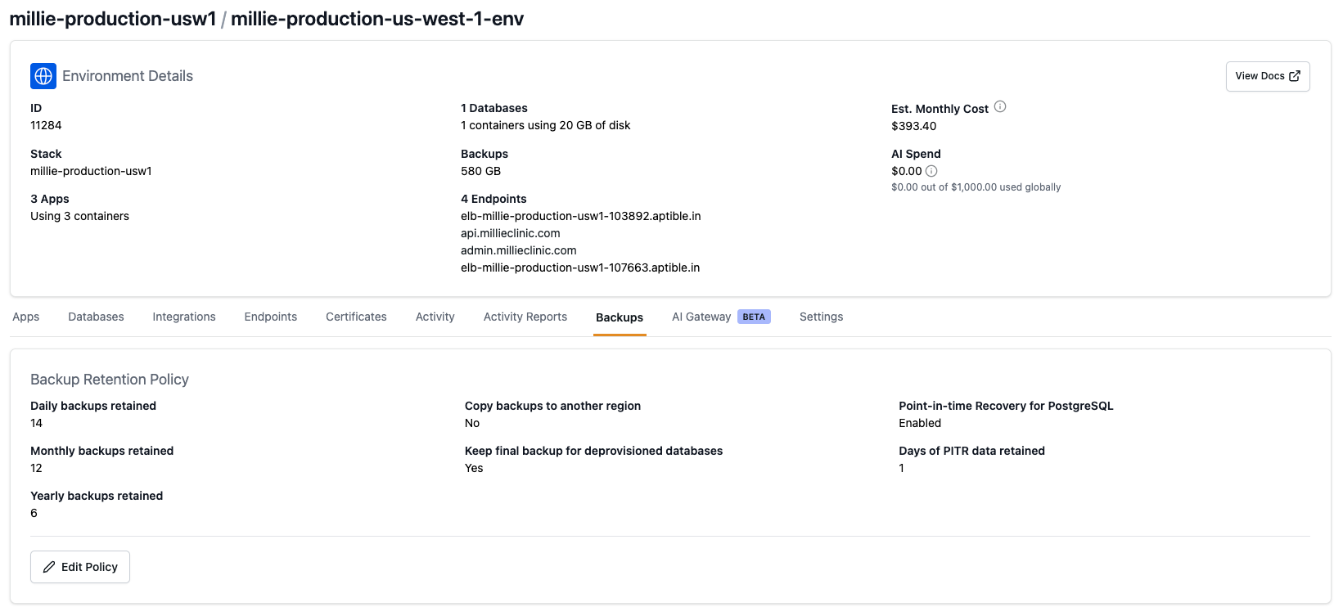
Systems in scope | Aptible database, millie_backend, millie_admin, AWS/S3 logs if relevant
Data in scope | PHI/PII and operational application data
Test type | Tabletop; backup/restore evidence review; optional non-prod restore
Recovery steps reviewed | Identify outage, preserve logs, contact vendor/internal owner, select backup/restore point, restore to safe environment, validate app/data, communicate status | Have tested restoring a database backup (https://www.aptible.com/docs/reference/aptible-cli/cli-commands/cli-backup-restore) In order to fully restore the backup and use it in production, will need to update the production credentials (in the env file configuration dashboard) to point to the new db (https://www.aptible.com/docs/how-to-guides/database-guides/dump-restore-postgresql) Logs live in CloudWatch https://us-east-1.console.aws.amazon.com/cloudwatch/home?region=us-east-1#logsV2:log-groups/log-group/millie$252Fservice$252Fmillie-backend-production/log-events Slack alert if db connection is down: https://github.com/millieclinic/millie-backend/blob/develop/src/providers/database/database-health.service.ts
Evidence reviewed | Aptible backup configuration/screenshot, backup timestamp, recovery capability, internal runbook, vendor contacts | Daily/monthly/yearly backups live here https://app.aptible.com/databases/146794/backups We also can implement a PITR https://www.aptible.com/docs/core-concepts/managed-databases/managing-databases/point-in-time-recovery See backup policy screenshot -->
Result | Pass
Findings
Action items
Approval: | Chase Schwalbach

